FORMULAS
MEDIDAS DE POSION

Cuartil - K
$$Q_{k}=LRI+(\frac{K\left(\frac{n}{4}\right)+f_{i−1}}{f_{i}})$$
$$\breve{X}=\frac{\sum{x_{i}}}{n}$$

$$\breve{X}=\frac{\sum_{i=0}^{k}{x_{i}f_{i}}}{n}$$

LA VARIANZA
$$s^{2}=\frac{\sum_{i=0 }^{n}{{(x_{i}−x)}^{2}}}{n−1}$$
$$c∗v=\frac{S}{\overline{x}}∗100$$

TAREA
n | xi min | xi max | R | k | A | E | LRI | MEDIA | MEDIANA | MODA
65 | 15 | 140 | 126 | 7.0188723 | 18 | 0.33970219298 | 14.50 | 83.038461538 | 86.973684211 | 70

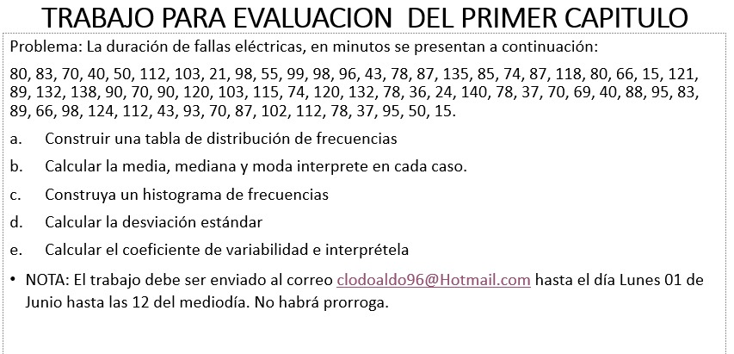
Datos |  |  |  |  |  |  |  |  | 87.00
80
83 | clases |  | fi | xi | xi fi | Fi | hi | Limites reales
70 | 15 | 32 | 4 | 23.5 | 94 | 4 | 0.061538461538 | 14.50 | 32.5
40 | 33 | 50 | 9 | 41.5 | 373.5 | 13 | 0.13846153846 | 32.50 | 50.5
50 | 51 | 68 | 3 | 59.5 | 178.5 | 16 | 0.046153846154 | 50.50 | 68.5
112 | 69 | 86 | 16 | 77.5 | 1240 | 32 | 0.24615384615 | 68.50 | 86.5
103 | 87 | 104 | 19 | 95.5 | 1814.5 | 51 | 0.29230769231 | 86.50 | 104.5
21 | 105 | 122 | 8 | 113.5 | 908 | 59 | 0.12307692308 | 104.50 | 122.5
98 | 123 | 140 | 6 | 131.5 | 789 | 65 | 0.092307692308 | 122.50 | 140.5
55 |  |  |  |  |  |  | 1
98
99
96
43
78
87
135
85
74
87
118
80
66
15
121
89
132
138
90
70
90
120
103
115
74
120
132
78
36
24
140
78
37
70
69
40
88
95
83
89
66
98
124
112
43
93
70
87
102
112
78
37
95
50
15

 | 4
80
83
70
40
50
112
103
21
98
55
98
99
96
43
78
87
135
85
74
87
118
80
66
15
121
89
132
138
90
70
90
120
103
115
74
120
132
78
36
24
140
78
37
70
69
40
88
95
83
89
66
98
124
112
43
93
70
87
102
112
78
37
95
50
15

